Overview
Overview

 | Thechnical report for Rockbusters database prepared for technical staff. Here Descriptive statisctics related to Rockbusters database are provided, as well as MySQL queries and outputs answering to following questions: 1. What are the top 10 the countries where Rockbusters recieves the highest revenue? 2. Whithin these 10 countries what are the top 10 cities with highest sales? 3. Within the top 10 cities who are the top 5 customers who have highest purchases

Discriptive statistics

Top 10 countries

Top 10 cities

Top 5 customers

Descriptive statistics
Top 10 countries whith highest revenue

Ø Descriptive statistics for table film

 | Column | Type | Min | Max | Avg | #values | #rows |  |  |  |  | My SQL Query example for numeric data and output

 | Film_id | integer | 1 | 1000 |  | 1000 | 1000
 | Language_id | integer | 1 | 1 | 1 | 1000 | 1000
 | Release_year | integer | 2006 | 2006 | 2006 | 1000 | 1000
 | Rental_duration | smallint | 3 | 7 | 4.985 | 1000 | 1000
 | Rental_rate | numeric | 0.99 | 4.99 | 2.98 | 1000 | 1000
 | Length | smallint | 46 | 185 | 115.272 | 1000 | 1000
 | Replacement_cost | numeric | 9.99 | 29.99 | 19.984 | 1000 | 1000

 | Column | Type |  |  | Mode |  |  |  |  | #values | #columns | My SQL Query example for non-numeric data and output

 | Title | character varying (255) |  |  | Academy Dinosaur |  |  |  |  | 1000 | 1000
 | Description | text |  |  | A Action-Packed Character Study of a Astronaut And a Explorer who must Reach a Monkey in A MySQL Convention |  |  |  |  | 1000 | 1000
 | Rating | Mpaa_rating |  |  | PG-13 |  |  |  |  | 1000 | 1000
 | Last_update | timestamp |  |  | 5/26/13 |  |  |  |  | 1000 | 1000
 | Special_features |  |  |  | {Trailers,Commentaries,"Behind the Scenes"} |  |  |  |  | 1000 | 1000
 | Fulltext | tsvvector |  |  | 'baloon':19 'confront':14 'documentari':5 'feminist':8,11,16 'mile':2 'must':13 'spi':1 'thrill':4 |  |  |  |  | 1000 | 1000

Ø Descriptive statistics for table customer

 | Column | Type | Min |  | Max |  | Avg | #values | #rows |  |  | My SQL Query example for numeric data and output

 | Customer_id | Integer | 1 |  | 599 |  | 300 | 599 | 599
 | Store_id | Smallint | 1 |  | 2 |  |  | 599 | 599
 | Address_id | Smallint | 5 |  | 605 |  | 305 | 599 | 599
 | Create_date | Date | 2006-02-14 |  | 2006-02-14 |  |  | 599 | 599
 | Last_updated | Date | 2013-05-26 14:49:45 |  | 2013-05-26 14:49:45 |  |  | 599 | 599
 | Active | Integer | 0 |  | 1 |  |  | 599 | 599

 | Column | Type |  | Mode | #values | #columns |  |  |  |  |  | My SQL Query example for non-numeric data and output

 | First_name | Character varying |  | Jamie | 599 | 599
 | Last_name | Character varying |  | Abney | 599 | 599
 | email |  |  | aaron.selby@sakilacustomer.org | 599 | 599
 | activebool | Boolean |  | TRUE | 599 | 599

Overview

Top 10 countries

Top 10 cities

Top 5 customers

Top 10 countries
Top 10 countries whith highest revenue

MySQL statement

Output

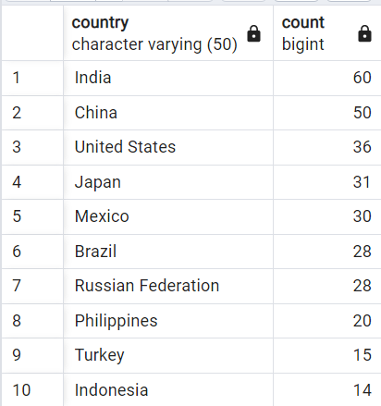

Overview

Discriptive statistics

Top 10 cities

Top 5 customers

Top 10 cities
Top 10 cities whith highest revenue (within top 10 countries)

MySQL statement

Output

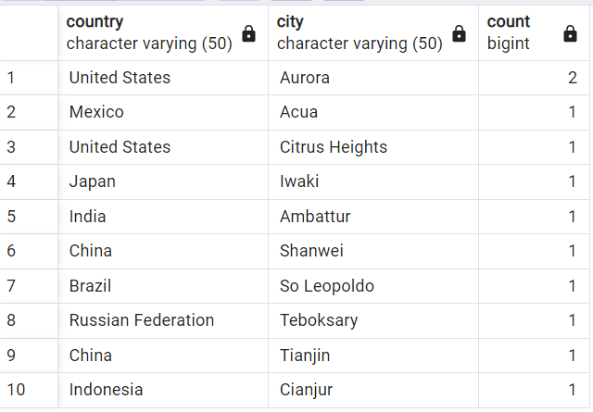

Overview

Discriptive statistics

Top 10 countries

Top 5 customers

Top 5 customers
Top 5 customers whith highest revenue (within top 10 cities)

MySQL statement

Output

Overview

Discriptive statistics

Top 10 countries

Top 10 cities

